Resultados validación
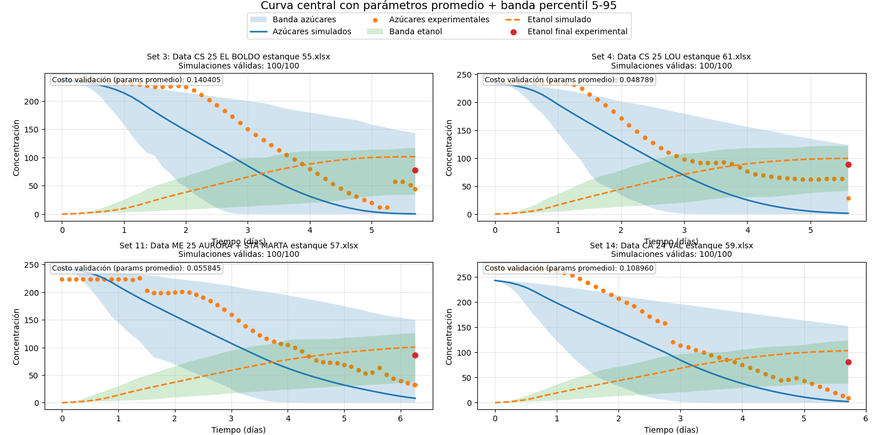
RESULTADO VALIDACIÓN CON SET
ELIMINACIÓN DE PUNTOS 1: 3,10,15,20,34,36,40,49,8,30

Set | val cost
3 | 0.140405
4 | 0.048789
11 | 0.055845
14 | 0.108960
 | 0.353999

